ExampleData
Example of Normal Conditions Vs. Nitrification

Normal Conditions
Site ID | Address | Type | Date | Time | Calculated Flow Rate | Minutes Flushed | pH | Total Chlorine* | Mono-chloramine | Free Ammonia | Nitrite | Nitrate
 |  |  |  |  |  |  |  | [mg/L] | [mg/L] | [mg/L] | [mg/L] | [mg/L]
1 | EP001 | ST | 8/21/14 | 8:35:00 | 5 gpm | 5 | 8.5 | 3.4 | 3.62 | 0.50 | 0.005 | 0.3 | 1
2 | 123 2nd AveA | FH | 8/21/14 | 9:10:00 | 1000 gpm | 10 | 8.4 | 2.8 | 2.93 | 0.60 | 0.004 | 0.3 | 2
3 | 345 3rd StA | FH | 8/21/14 | 9:45:00 | 750 gpm | 10 | 8.5 | 2.4 | 2.52 | 0.70 | 0.005 | 0.3 | 3
4 | 567 4th BlvdB | FV | 8/21/14 | 10:35:00 | 50 gpm | 15 | 8.3 | 2.2 | 2.35 | 0.80 | 0.012 | 0.3 | 4

Nitrification
Site ID | Address | Type | Date | Time | Calculated Flow Rate | Minutes Flushed | pH | Total Chlorine* | Mono-chloramine | Free Ammonia | Nitrite | Nitrate
 |  |  |  |  |  |  |  | [mg/L] | [mg/L] | [mg/L] | [mg/L] | [mg/L]
1 | EP001 | ST | 9/20/14 | 13:00:00 | 5 gpm | 5 | 8.5 | 3.3 | 3.71 | 0.60 | 0.005 | 0.3 | 1
2 | 123 2nd AveA | FH | 9/20/14 | 13:30:00 | 1000 gpm | 30 | 8.4 | 1.0 | 1.08 | 0.40 | 0.400 | 0.3 | 2
3 | 345 3rd StA | FH | 9/20/14 | 14:15:00 | 750 gpm | 90 | 8.5 | 0.4 | 0.39 | 0.30 | 0.368 | 0.5 | 3
4 | 567 4th BlvdB | FV | 9/20/14 | 14:50:00 | 50 gpm | 180 | 8.4 | 0.2 | 0.21 | 0.20 | 0.300 | 0.6 | 4
* Post-flush residual
A - Average water age
B - High water age

Utility 1--Normal conditions
 | Total Chlorine | Monochloramine | Ammonia | Nitrite | Nitrate
 | 3.4 | 3.62 | 0.5 | 0.005 | 0.3
 | 2.8 | 2.93 | 0.6 | 0.004 | 0.3
 | 2.4 | 2.52 | 0.7 | 0.005 | 0.3
 | 2.2 | 2.35 | 0.8 | 0.012 | 0.3
Utility 1--Nitrification
 | Total Chlorine | Monochloramine | Ammonia | Nitrite | Nitrate
 | 3.3 | 3.71 | 0.6 | 0.005 | 0.3
 | 1 | 1.08 | 0.4 | 0.4 | 0.3
 | 0.4 | 0.39 | 0.3 | 0.368 | 0.5
 | 0.2 | 0.21 | 0.2 | 0.3 | 0.6

ExampleMAP
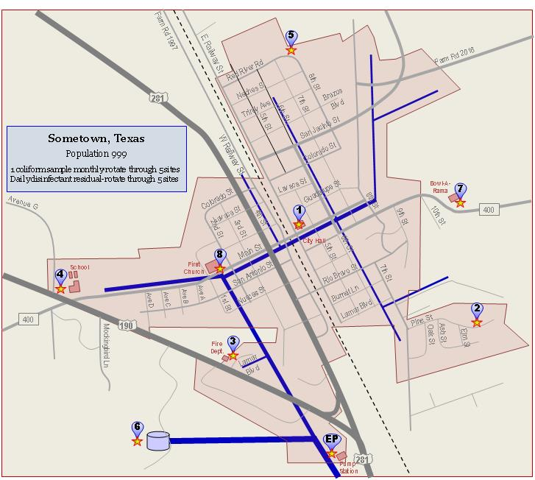
Nitrification Action Plan Example
Sample Sites
Site # on Map | Address | Tap Type | Sample Tap Location | Flow Rate (gal) | Flush Time (min)
EP | 281 Pump Station | Hose bibb | Hwy 281 Pump Station, tap on Pump 1 | 5 | 5
1 | 55 E Railway St | Hose bibb | Tap by City Hall parking lot | 2 | 15
2 | 935 Pine St | Hose bibb | Tap in back of house | 2 | 15
3 | 200 W Lamar Blvd | Hose bibb | County Fire Department tap by side door | 10 | 5
4 | 800 W Hwy 190 | Hose bibb | Tap left of front door of High School | 5 | 5
5 | 700 Red River Rd | Hose bibb | Left side of garage | 5 | 5
6 | Hill Top Tank | Hose bibb | Tap on north side of GST | 20 | 5
7 | 10 W Main St | Hose bibb | Bowl-a-Rama tap by back door | 1 | 25
8 | 1164 E CR 400 | Hose bibb | First Memorial Church - tap left of door | 3 | 10

